Financial-Cost
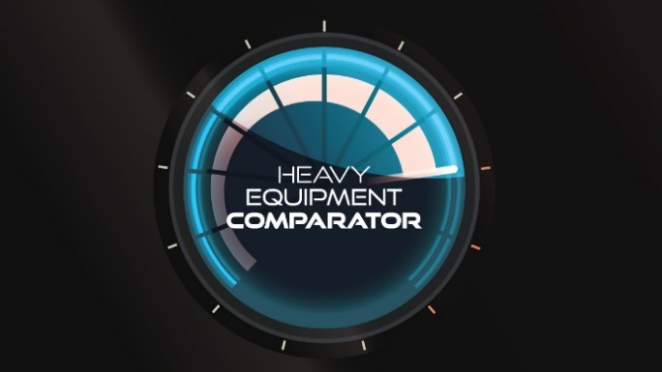

 |  |  | HEAVY EQUIPMENT COMPARATOR

 |  |  | FLEET PERFORMANCE DATA FORM
 |  |  | {FOR INTERNAL USE}
 |  |  | Confidence Level
 |  |  | a. Actual number
 |  |  | b. Approximate number (+/- 20%)
 |  |  | c. Best Guess
 |  |  | d. Unknown

FINANCIAL & COST METRICS

1. Construction Revenue and Throughput
What is your total construction revenue (include the value of all services recognized under construction contracts by a company in a period; Do not include revenues related to fixed plant equipment or non-construction operations). Additonal notes: 1) The goal is to match revenues with expenses and the equipment fleet used to generate those revenues. 2) Exclude any internal material transfers. |  |  |  | Confidence Level | a. Actual number
Construction Revenues |  | $100,000,000 | --> | Used in Metrics 1 & 4
- Subcontract Costs |  | $15,000,000
- Material Costs |  | $20,000,000 |  |  |  |  |  | `
= Throughput |  | $65,000,000 | --> | Used in Metric 2

2. Estimated Replacement Value - (ERV $)
Estimated Replacement Value is the amount that the enterprise would need to spend to replace its construction equipment assets at the present time with equipment of similar specification, appearance and condition. Include i. owned fleet of equipment; ii. Right to Use Assets under ASC 842 (i.e. capitalized leased equipment); and iii. Include construction equipment only (off-road and on-road) as previously defined. It is recommended to include only mobile construction equipment (off-road and on-road). Do not include fixed plants or non-construction operations machinery. You may consider insurable replacement values if ERV is not readily available. |  |  |  | Confidence Level

Estimated Replacement Value |  | $25,000,000 | --> | Used in Metric 3

3. Equipment Cost Components
Equipment Cost Components are categories or cost “buckets” used to establish the Rates for your equipment. The typical hierarchy includes Ownership, Repair and Maintenance, and Fuel cost types. The metric establish a comparable basis of equipment costs by cost component, provides standard data for comparison while recognizing there is a difference in operating hours between the different areas of the country. |  |  |  | Confidence Level
Ownership Costs |  | $6,000,000 | Depreciation, lease payments, equipment rental expense, insurance, licenses, property taxes and interest.
Repair & Maintenance Costs | (A) | $5,000,000 | Include all equipment operation costs, including but not limited to, repair labor, service truck/welder cost, repair parts, tires, wear items, outside repairs, supplies and consumables for costs charged to equipment and jobs.
Fuel Costs |  | $4,000,000 | Direct Fuel costs including Fuel , Fueling , Delivery
Total Equipment Costs |  | $15,000,000

% Breakdown
Ownership Costs |  | 40.00% | --> | Metric 9
Repair & Maintenance Costs |  | 33.33% | --> | Metric 9
Fuel Costs |  | 26.67% | --> | Metric 9
Total Equipment Costs |  | 100.00%

4. Equipment Repair & Maintenance Costs
Begin with (A) Repair & Maintenance Costs from 3. above. Include all equipment operation costs, including but not limited to, repair labor, service truck/welder cost, repair parts, tires, wear items, outside repairs, supplies and consumables for costs charged to equipment and jobs. Exclude fuel and ownership costs. |  |  |  | Confidence Level
Equipment Repair & Maintenance Labor |  | $1,300,000 | The value of both internal and outside labor. Internal labor cost should include wages, payroll taxes, benefits, overhead [standard / fully burdened rate]. Outside labor should include the labor portion of outside repairs. |  |  | --> | Used in Metrics 4 & 5
Parts |  | $1,800,000 | Parts, tires, wear items, supplies and consumables
Outside Repairs |  | $1,800,000 | Outside repairs - include parts portion of outside repairs. Break out labor from outside repairs to include in "Equipment Repair & Maintenance Labor" above.
Other |  | $200,000 | Other repair & maintenance costs - service truck / welder cost and other repair costs not included above.
Repair & Maintenance Costs | (A) | $5,100,000 | All equipment operating costs such as repair labor, service truck/welder cost, repair parts, tires, wear items, outside repairs, etc. |  |  | --> | Used in Metrics 1,2,3 & 5

Calculations:
Repair & Maintenance Costs/Revenue |  | 5.10% | --> | Metric 1
Repair & Maintenance Costs/Throughput |  | 7.85% | --> | Metric 2
Repair & Maintenance Costs/ERV |  | 20.40% | --> | Metric 3
Repair & Maint Labor/Revenue |  | 1.30% | --> | Metric 4
Repair & Maint Labor/R&M Costs |  | 25.49% | --> | Metric 5

5. Balance Sheet Components
Is my company’s information kept confidential? The only people who can view uploaded company financials are the person who submitted it and the company that analyzes the information. Even CFMA cannot see uploaded data. The emphasis is on aggregate industry data, not on the performance of individual companies. At no time is a company ever identified in the Heavy Equipment Comparator results, nor is it possible to view or obtain a list of participating companies. If there are fewer than five respondents for a particular category, that category will remain blank.
Please enter the following Balance Sheet items: |  |  | Confidence Level
Current Assets |  | $15,500,000
- Current Liabilities |  | $8,500,000
Working Capital |  | $7,000,000 | --> | Metric 6

Net Book Value of Fixed Assets |  | $20,000,000 | Represents the original cost of an asset less its accumulated depreciation in accordance with Generally Accepted Accounting Principles (GAAP). Exclude real estate, quarries, material reserves.
+ Right to Use Assets |  | $1,000,000 | Right to Use assets for all leases capitalized under ASC 842, net of accumulated amortization
NBV Fixed Assets and Right to Use Assets |  | $21,000,000 | --> | Used in Metric 6

Total Capital Expenditures |  | $7,000,000 | Include the total cost capitalized during a period on the company’s balance sheet to acquire equipment. Includes both fixed assets and Right of Use assets. Do not include capital expenditures related to plants or non-constuction operation machinery. |  |  | --> | Used in Metric 7

6. Income Statement Components
Is my company’s information kept confidential? The only people who can view uploaded company financials are the person who submitted it and the company that analyzes the information. Even CFMA cannot see uploaded data. The emphasis is on aggregate industry data, not on the performance of individual companies. At no time is a company ever identified in the Heavy Equipment Comparator results, nor is it possible to view or obtain a list of participating companies. If there are fewer than five respondents for a particular category, that category will remain blank.

Please enter the following Income Statement items: |  |  | Confidence Level
Net Income |  | $3,000,000
+ Provision for Income Taxes |  | $900,000
Income Before Taxes |  | $3,900,000 | --> | Used in Metric 6
+ Depreciation |  | $3,500,000
+ Amortization |  | $125,000
+ Interest Expense |  | $425,000
= Free Cash Flow (FCF) (EBITDA) |  | $7,950,000 | --> | Used in Metric 7

Calculations:
Return on Net Assets {RONA} |  | 13.93% | --> | Metric 6
Capital Expenditures/Free Cash Flow |  | 88.05% | --> | Metric 7

7. Internal and External Shop Rates
Please enter the following items: |  |  | Confidence Level
Average Internal Hourly Shop/Field Rate |  | $75.00 | The costs included in calculating this rate should be consistent with the definition included in equipment maintenance and repair costs. Calculated by establishing the total costs budgeted for your shop and field mechanics (numerator) divided by Direct hours charged to equipment (denominator). The vehicle costs for the field mechanic are separated as the usual External Contractor charges a mileage rate in addition to the standard rate. |  |  | --> | Metric 8
Average External Hourly Shop/Field Rate |  | $125.50 | The average rate for your external contract labor which is charged to your equipment |  |  | --> | Metric 8

